1. Node Impurity
∎WHAT IS NODE IMPURITY |  | REFERENCE

▣NODE IMPURITY (SPLITTING)
⇰According to Medium The decision to split at each node is made according to the metric called purity. A node is 100% impure when a node is split evenly 50/50 and 100% pure when all of its data belongs to a single class.In order to optimize our model we need to reach maximum purity and avoid impurity. |  | ⇰REFERENCE (Website)-->Medium (Ist) Regarding Thereotical & Conceptual Understanding of Node Impurity by Hyper Parameter (Splitting Criterion)

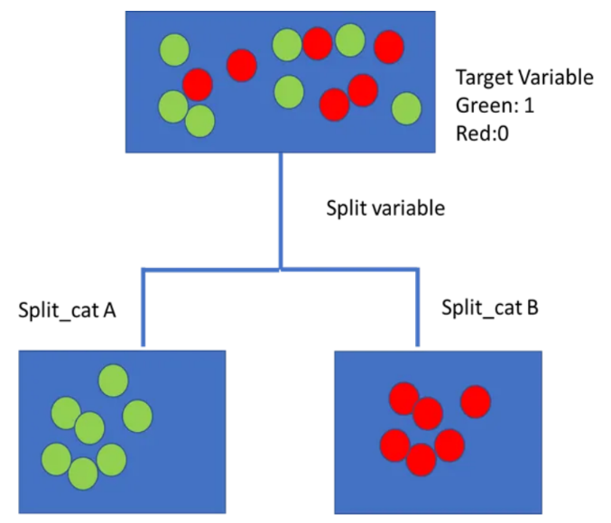 | 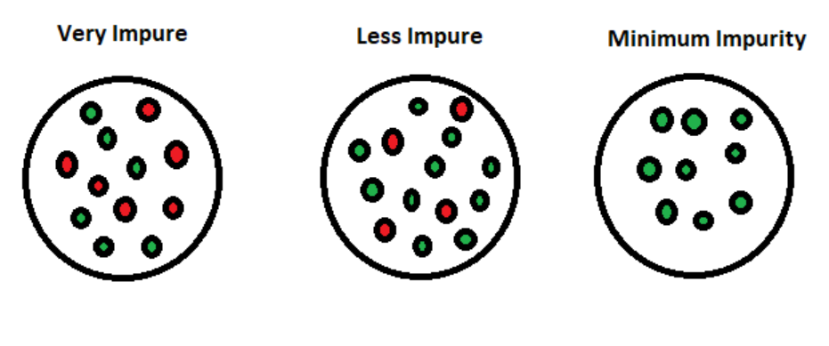

 |  | ⇰REFERENCE (Website)-->Medium (2nd) Regarding Theoritical & Conceptual Understanding of Impurity (Node) for Hyper Parameter Splitting Criterion

▣OBJECTIVE FOR FINDING NODE IMPURITY (UDEMY)
⇰If the goal of a decision tree is to separate out classes as perfectly as possible, we can use Splitting Criterion Methods (1.Entropy 2.Gini Impurity) to decide on data split values. ⇰We really want to minimize the impurity at leaf nodes because if we're minimizing the impurity at a leaf node, that means that leaf node is going to represent as much of one class as possible because recall that leaf node is essentially going to be the output prediction as we follow along the decision tree and reach that leaf or terminal node. ⇰We want to minimize the impurity value there in order to make sure we're separating classes as effectively as possible.So minimize impurity at the leaf nodes means that we're actually achieving the machine learning task effectively. |  | ⇰REFERENCE (Website)-->Udemy Regarding Thereotical & Conceptual Understanding of Objective of Finding Node Impurity By Udemy

 |  | ⇰REFERENCE (Website)-->Medium (Ist) Regarding Thereotical & Conceptual Understanding of Node Impurity by Hyper Parameter (Splitting Criterion)

 |  | ⇰REFERENCE (Website)-->Medium (2nd) Regarding Theoritical & Conceptual Understanding of Impurity (Node) for Hyper Parameter Splitting Criterion

∎METHOD FOR FEATURE SELECTION (SPLITTING CRITERION)IN DECISION TREE

▣ENTROPY
▣GINI IMPURITY

2.SplittingCriterion-A.Entropy
∎METHOD FOR FEATURE SELECTION (SPLITTING CRITERION)IN DECISION TREE |  | REFERENCE

▣ENTROPY
▣GINI IMPURITY
▣1st METHOD--ENTROPY/ INFORMATION GAIN |  | ⇰REFERENCE (Website)-->Medium (1st) Regarding Thereotical & Conceptual Understanding of 1st Methods of Splitting Criterion --Entropy | ⇰REFERENCE (Website)-->Section Regarding Thereotical & Practical Implementation Regarding Splitting Criterion --Entropy

❶Entropy is an information theory metric that measures the impurity or uncertainty in a group of observations. It determines how a decision tree chooses to split data. The image below gives a better description of the purity of a set.



 |  | ⇰REFERENCE (Website)-->Medium (2nd) Regarding Thereotical & Conceptual Understanding of 1st Methods of Splitting Criterion --Entropy

 |  | ⇰REFERENCE (Website)-->Medium (2nd) Regarding Practical & Conceptual Understanding of Splitting Criterion --Entropy | ⇰REFERENCE (Website)-->Section Regarding Thereotical & Practical Implementation Regarding Splitting Criterion --Entropy

❷In the context of Decision Trees, Entropy is a measure of disorder or impurity in a node. Thus, a node with more variable composition, such as 2 Pass and 2 Fail would be considered to have higher Entropy than a node which has only pass or only fail. The maximum level of entropy or disorder is given by 1 and minimum entropy is given by a value 0.

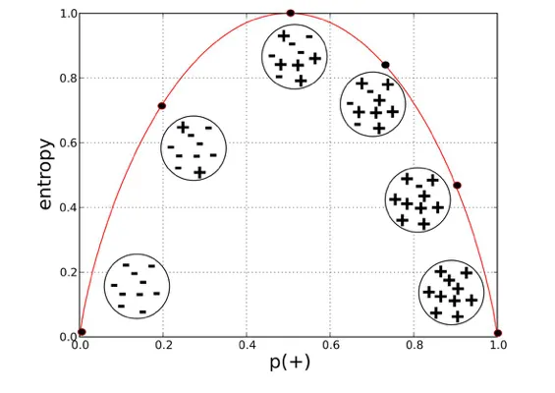 |  | ⇰REFERENCE (Website)-->Medium (Towards Data Science) (3rd) Regarding Thereotical & Conceptual Understanding of Decision Tree--Entropy Charts

▣MATHEMATICAL DERIVATION OF SPLITTING CRITERION -->ENTROPY

∎Formula for Entropy Calculation |  | ⇰REFERENCE (Website)-->Medium (2nd) Regarding Thereotical & Conceptual Understanding of 1st Methods of Splitting Criterion--Entropy

∎Expanding to Logarathmic Values |  | ⇰REFERENCE (Website)-->Medium (2nd) Regarding Practical & Conceptual Understanding of Splitting Criterion --Entropy | ⇰REFERENCE (Website)-->Section Regarding Thereotical & Practical Implementation Regarding Splitting Criterion --Entropy
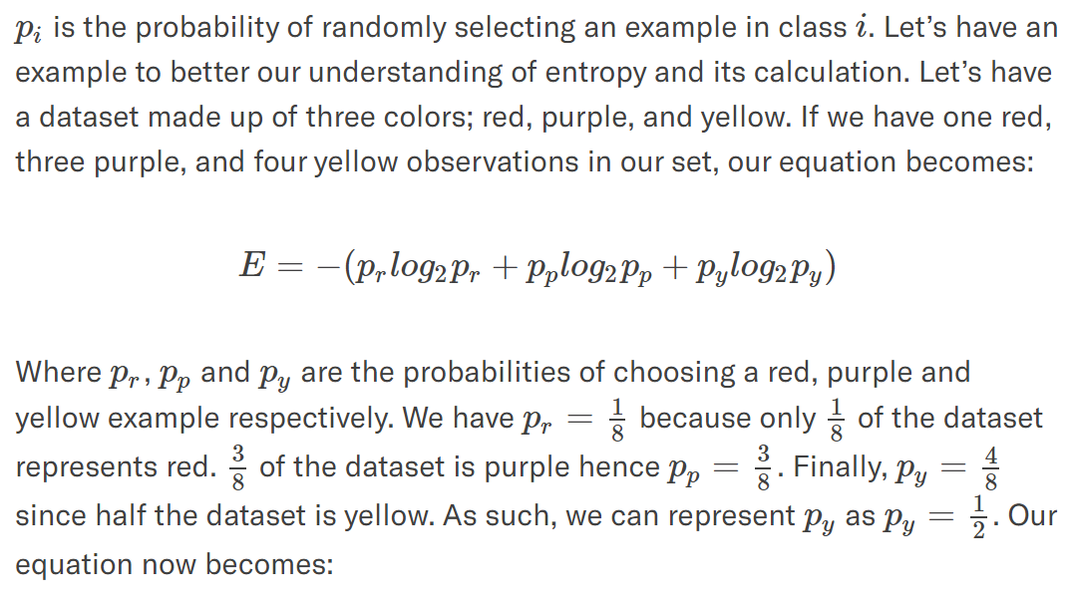

 |  | ⇰REFERENCE (You Tube)-->Krishna Naik Regarding Conceptual & Practical Understanding (Formulas of Entropy)

▣Pl See Proper Mathematical Calculation in Copy As Paper (Document).

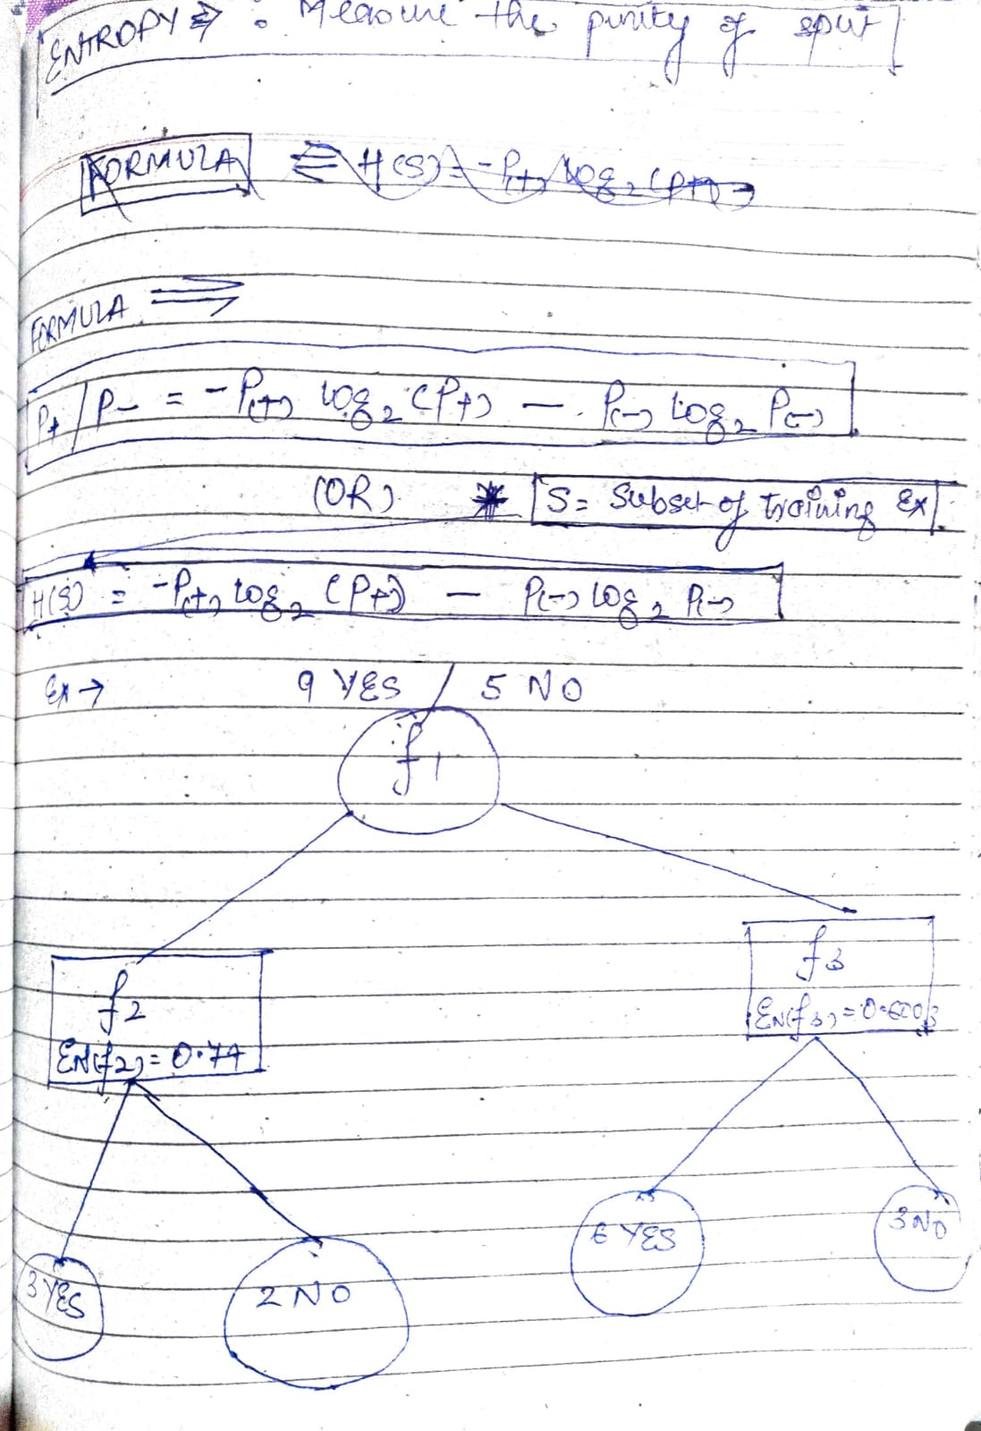 | 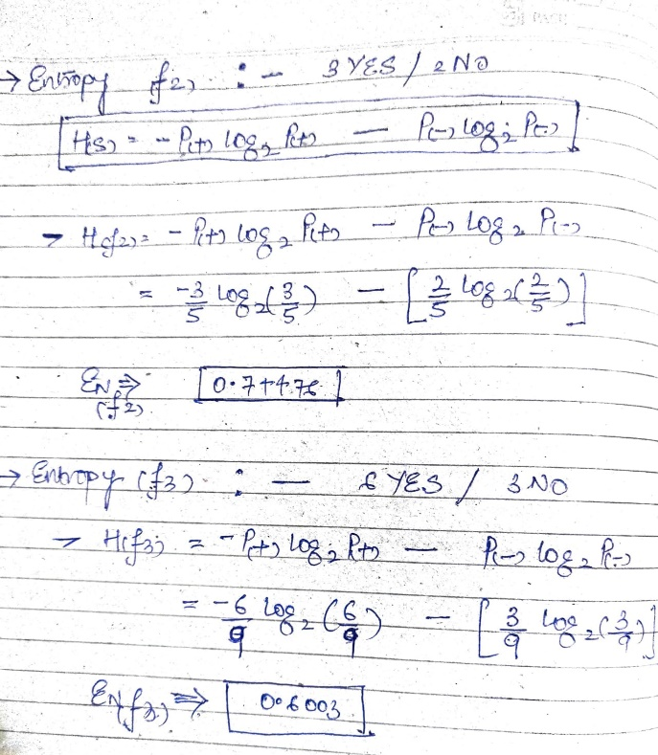

3.SplittingCriter-Gini Impurity
∎METHOD FOR FEATURE SELECTION (SPLITTING CRITERION)IN DECISION TREE |  | REFERENCE

▣ENTROPY
▣GINI IMPURITY
▣2nd METHOD--GINI IMPURITY |  | ⇰REFERENCE (Website)-->Medium (1st) Regarding Thereotical & Conceptual Understanding of 1st Methods of Splitting Criterion --Entropy | ⇰REFERENCE (Website)-->Section Regarding Thereotical & Practical Implementation Regarding Splitting Criterion --Entropy

❶Gini Impurity itself is a mathematical measurement of how pure the information in a data set is & in regards to classification, we can really just think of this as a measurement of class uniformity. ❷The other way of splitting a decision tree is via the Gini Index. The Entropy and Information Gain method focuses on purity and impurity in a node. The Gini Index or Impurity measures the probability for a random instance being misclassified when chosen randomly. The lower the Gini Index, the better the lower the likelihood of misclassification.

 |  | ⇰REFERENCE (Website)-->Medium (2nd) Regarding Thereotical & Conceptual Understanding of 1st Methods of Splitting Criterion --Entropy

 |  | ⇰REFERENCE (Website)-->Udemy_1 Regarding Conceptual & Practical Understanding Methods of Gini Impurity (Binary Classification)

 |  | ⇰REFERENCE (Website)-->Udemy_2 Regarding Conceptual & Practical Understanding Methods of Gini Impurity (MultiClassification & Continuous Variable)
❸ The Gini Index has a minimum (highest level of purity) of 0. It has a maximum value of .5. If Gini Index is .5, it indicates a random assignment of classes.

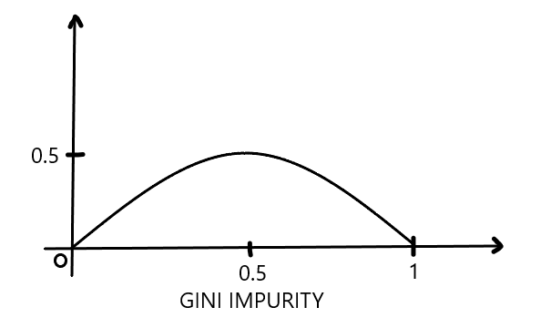

 |  | ⇰REFERENCE (Website)-->Udemy_3 Regarding Conceptual & Practical Understanding & Methods of Gini Impurity

▣MATHEMATICAL DERIVATION OF SPLITTING CRITERION -->ENTROPY

∎Formula for Gini Impurity Calculation
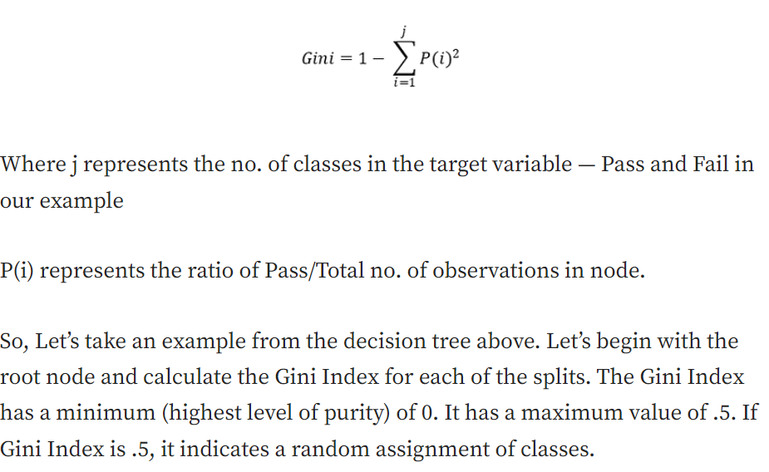 |  | ⇰REFERENCE (Website)-->Medium Towards Data Science Regarding Thereotical & Conceptual Understanding of Formulas of Gini Impurity Calculation

 |  | ⇰REFERENCE (You Tube)-->Krishna Naik Regarding Conceptual & Practical Understanding (Formulas of Entropy)

▣Pl See Proper Mathematical Calculation in Copy As well as In LIC Paper (Document).

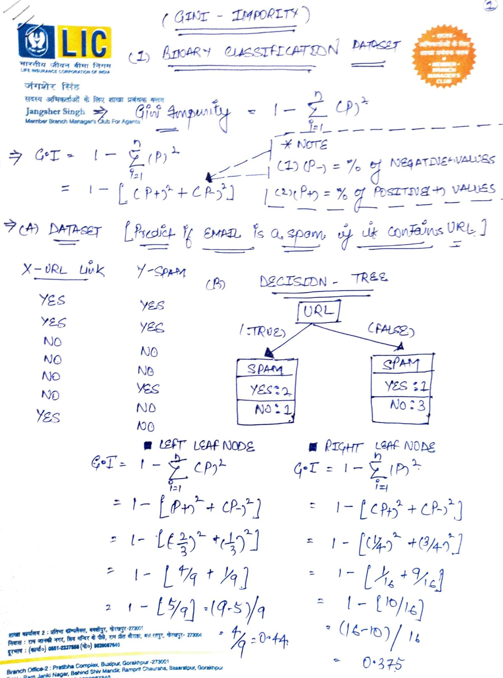 | 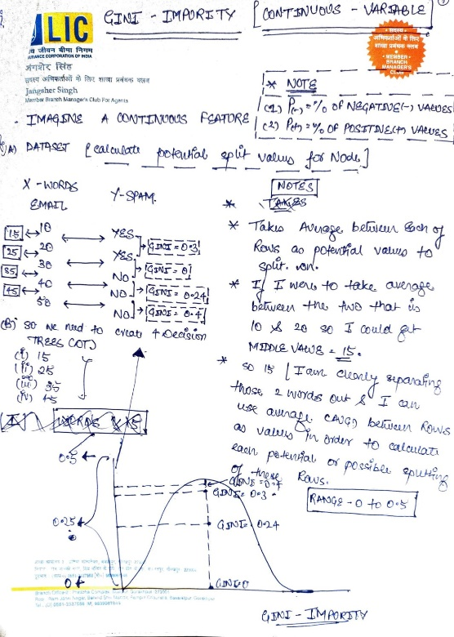

4.Entropy Vs Gini Impurity
ENTROPY VS GINI IMPURITY | REFERENCE

∎Gini Index vs Information Gain
⇰Depending on which impurity measurement is used, tree classification results can vary. This can make small (or sometimes large) impact on your model. There seems to be no one preferred approach by different Decision Tree algorithms. For example, CART uses Gini; ID3 and C4.5 use Entropy. | ⇰REFERENCE (Website)-->Medium (Towards Data Science) Regarding Conceptual & Practical Understanding of Gini Index Vs Entropy (Information Gain)

⇰The Gini index has a maximum impurity is 0.5 and maximum purity is 0, whereas Entropy has a maximum impurity of 1 and maximum purity is 0.

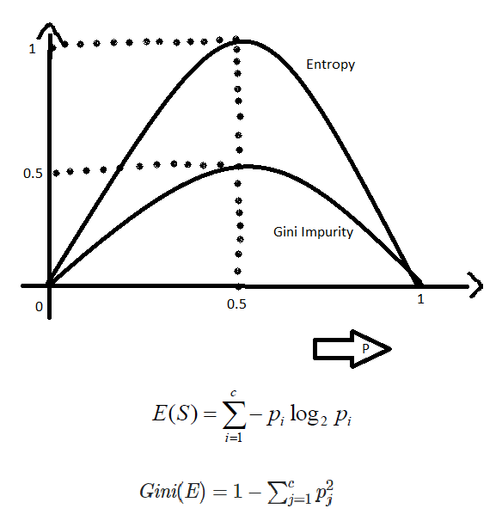

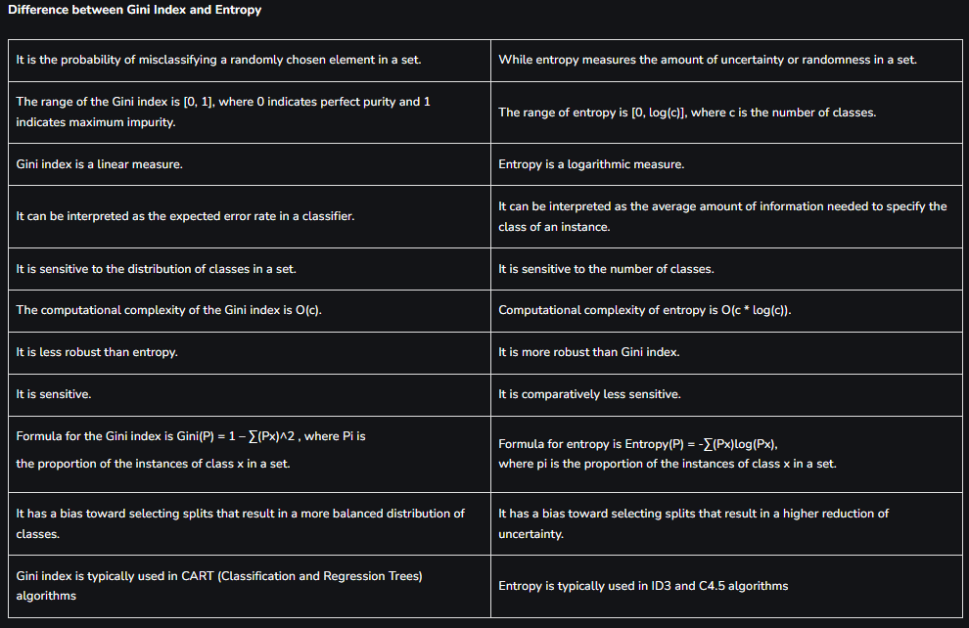 | ⇰REFERENCE (Website)-->Geeks for Geeks Regarding Thereotical & Conceptual Understanding of Difference in Between Gini Index Vs Entropy

